Home
 |  |  | How to Use This Template:

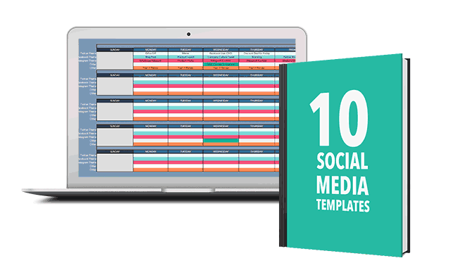
 |  |  | Our social media audit template has tabs for all the major networks, but it’s simple to add a new tab for any additional platforms you use. We also included a section in the summary tab to list all of your brand’s social profiles, so you have them in one location for reference. Once you have all your current social profiles listed, the next step is deciding which platforms you want to focus on. This will depend on your brand, and you likely have a good idea of where you want to be active. The profiles you choose will be the foundation of your audit. Now that you know which profiles you’re auditing, the next step is to dig into the data and see how each is performing. This will be the bulk of your social media audit because it shows you what’s working, what needs to be improved, and what your biggest opportunities are. In our template, we outline some good metrics to look at to identify how your profiles are performing such as engagement, link clicks, shares, referral traffic, impressions, and more. A majority of the metrics can be found in a social media tool or the native social networks.

Social Media

Audit

Template

 | Get Social Media Certified

 | The only social media training you'll ever need

 |  | Get Started

